PRC
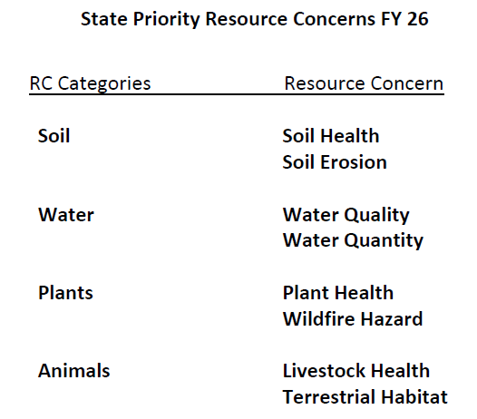
DRAFT PRC 2027
CART Resource selection tree
Air | Resource Categories
Air Quality | Resource Concerns
Animals | Resource Concerns Components
Aquatic Habitat
Livestock Health
Terrestrial Habitat
Energy
Energy Use
Human Considerations
Loss of functions and values
Threat of conversion
Plants
Plant Health
Wildfire Hazard
Soil
Soil Erosion
Soil Health
Water
Water Quality
Water Quantity

HPP
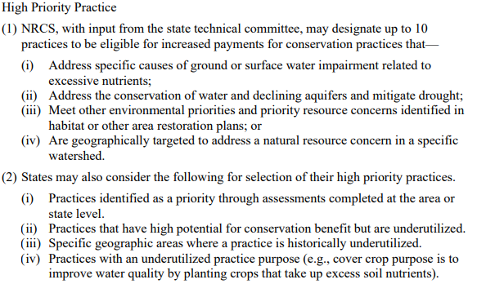
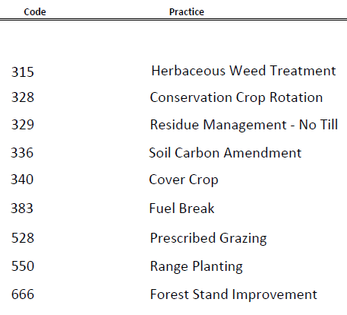
440 M 530 Subpart R (amended October 2024) | FY26 High Priority Practices

SWPP
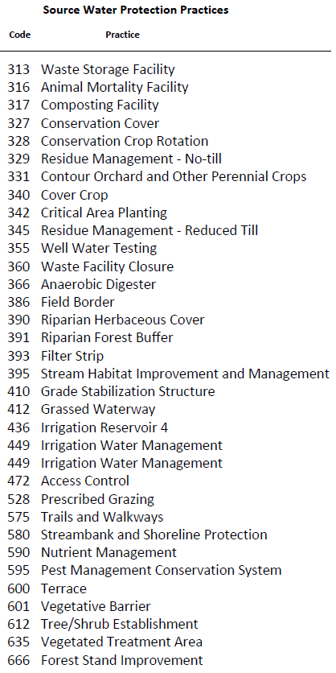
440 M 530 Subpart R (amended October 2024) | FY26 Source Water Protection Practices

