Cover Sheet
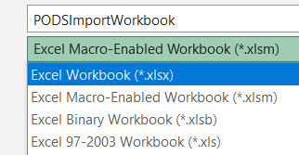
 | PODS IMPORT WORKBOOK

 | Author | Spatial Front Inc.
 | Last update | Oct-21-2024

• | System requirement: Excel 2021 or later

• | Enable Excel macros

 | Unblock macros-enabled workbook:
 | (1) Right-click on the file, and select Properties from context menu.
 | (2) Unblock macros:
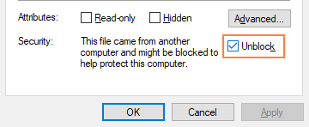

 | Use this setting to enable macros:

• | Note: Data entry only. Do not manually add or delete rows and columns from workbook.

• | Save the file in .xlsx format (macro free) prior to import to PODS.

Help
 | ADDITIONAL HELP

 | Author | Spatial Front Inc.
 | Last update | Oct-21-2024

 | WKT or Well Known Text is a format used for representing shapes. In PODS we use WKT for representing some geographic and land areas.
•

• | In order to represent your land area in this format, you start with the bounding points of the area.

• | Each point becomes a pair that defines the outside edge of a POLYGON, which is written out as POLYGON((LAT LONG, LAT LONG, LAT LONG, LAT LONG)). Providing a minimum of six decimal points will aid in accurate capture of the land area.

• | Here is an example from the mapping tool within PODS:
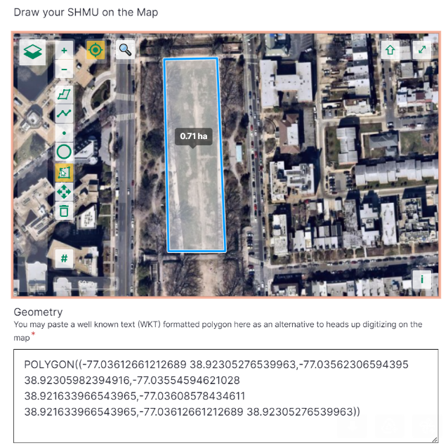

• | You can use the tool within PODS or a publically available tool like wktmap.com in order
 | to produce the WKT for your land use areas.

• | In order to remove an item from one of the multi-select lists you can choose it again
 | from the dropdown. In order to remove all you may press delete. You may safely ignroe
 | the data type errors on multi-select lists.

• | There is a known visual issue that sometimes causes empty rows to be formatted red
 | As long as the row is fully empty this should cause no issues for your import.

