Bioreactor Design
DENITRIFYING BIOREACTOR DESIGN
USDA Natural Resources Conservation Service, Iowa |  |  | IaDenitrifyingBioreactor.xlsx |  |  |  |  |  | Version 3.1
Project Name |  |  | Designed by: |  |  | Date:
Site Location |  |  | Checked by: |  |  | Date:
County
 |  |  |  |  | User input cells
Determine Design Capacity:
Option 1 - Mainline Configuration |  |  |  | Option 2 - Drainage Coefficient
Mainline tile size (in) |  |  |  | Drainage area of tile system (ac)
Mainline tile grade (%) |  |  |  | Drainage coefficient (inches/day)
Mainline tile material |  |  |  | Capacity of drainage system |  |  | 0.000 cfs
 | Manning's 'n' = 0.015
Peak velocity in mainline given size and grade |  | 0.00 ft/sec |  | Option 3 - Direct Entry (from model or other source)
Peak flow from mainline size and grade |  | 0.000 cfs |  | Capacity of drainage system (cfs)

Design Capacity: |  | 0.000 cfs | (15% of Option 1, 2, or 3 - whichever is lowest)
Size Bioreactor:
Design type (soil cover or open type) |  |  |  |  |  |  | Ground surface EL at inlet structure
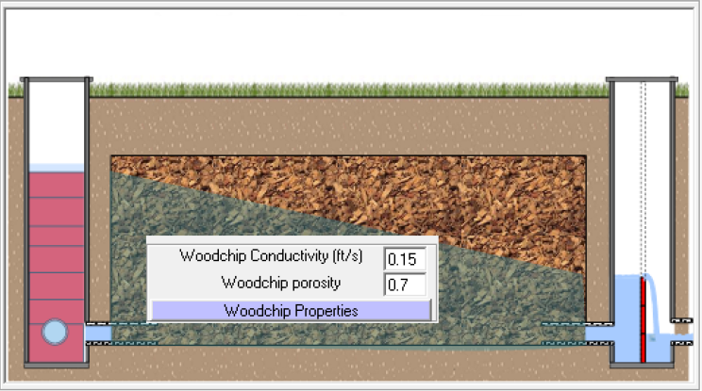
Flow length L
Porosity of wood media (decimal %) |  | 0.47 |  |  | Inlet Structure |  |  |  |  |  | Outlet Structure
Conductivity of wood media - default (ft/s) |  | 0.0964 |  |  | Height (ft) |  |  |  |  |  | Height (ft)
 | Design conductivity (override default)
 |  |  |  |  | structure too short
Flow length, L (ft) |  |  |  |  | Inlet stoplog EL
Trench width, W (ft)
 |  |  |  |  | stoplog too high
Effective bioreactor chamber height H1 (ft) |  |  |  |  |  |  |  |  |  |  | Outlet stoplog EL

Average flow depth (ft)
Hydraulic gradient (ft/ft)

Loading density (Acres per 100 sq.ft. bioreactor) |  |  |  |  | Inlet Structure |  |  |  |  |  | Outlet Structure
Estimated load reduction, entire drained area (%) |  |  | minimum 20% |  | Bottom EL |  |  |  |  |  | Bottom EL

Hydraulic retention time (hours) |  |  | minimum 3 hrs
Bioreactor flow capacity (cfs)
% of design capacity |  |  | target 100% |  |  | EL bottom of trench |  |  |  | EL bottom of trench
Design Warning Notes: |  |  |  |  |  | at inlet end |  |  |  | at far end

Quantites: |  |  |  |  | Stoplog settings for Operation and Maintenance Instructions: |  |  |  |  |  | OVERRIDE
Ground EL, Inlet Corner 1 (elevation) |  |  |  |  |  | Upstream (diversion) structure: |  | inches below top of structure
Ground EL, Inlet Corner 2 (elevation) |  |  |  |  |  |  |  | inches above bottom of structure
Ground EL, Outlet Corner 1 (elevation) |  |  |  |  |  | Downstream (capacity) structure: |  | inches below top of structure
Ground EL, Outlet Corner 2 (elevation) |  |  |  |  |  |  |  | inches above bottom of structure

Mound height of woodchips (ft)
 | Mound height woodchips, ft (override default)

Mound height of soil cap (ft) |  | 1.0
 | Mound height soil cap, ft (override default)

Excavation (cu yds)
Woodchip Volume (cu yds)
Plastic Lining (sq yds) (does not include overlap)
Soil cap fill Volume (cu yds)
Geotextile (sq yds) ( does not include overlap)
Notes:

Example Design
DENITRIFYING BIOREACTOR DESIGN
USDA- Natural Resources Conservation Service |  |  | IaDenitrifyingBioreactor.xlsx |  |  |  |  |  | Version 3.1
Project Name | EXAMPLE ONLY |  | Designed by: |  |  | Date:
Site Location |  |  | Checked by: |  |  | Date:
County

Determine Design Capacity:
Option 1 - Mainline Configuration |  |  |  | Option 2 - Drainage Coefficient
Mainline tile size (in) |  |  |  | Drainage area of tile system (ac) |  |  | 11
Mainline tile grade (%) |  | 1.00 |  | Drainage coefficient (inches/day) |  |  | 0.375
Mainline tile material |  |  |  | Capacity of drainage system |  |  | 0.173 cfs
 | Manning's 'n' = 0.015
Peak velocity in mainline given size and grade |  | 2.48 ft/sec |  | Option 3 - Direct Entry (from model or other source)
Peak flow from mainline size and grade |  | 0.488 cfs |  | Capacity of drainage system (cfs)

Design Capacity: |  | 0.026 cfs | (15% of Option 1, 2, or 3 - whichever is lowest)
Size Bioreactor:
Design type (soil cover or open type) |  |  |  |  |  | 678.3 | Ground surface EL at inlet structure
Flow length L
Porosity of wood media (decimal %) |  | 0.53 |  |  | Inlet Structure |  |  |  |  |  | Outlet Structure
Conductivity of wood media - default (ft/s) |  | 0.0964 |  |  | Height (ft) |  |  |  |  |  | Height (ft)
 | Design conductivity (override default) |  |  |  | 5

Flow length, L (ft) |  | 40 | L:W ratio = 4.0 |  | Inlet stoplog EL
Trench width, W (ft) |  | 10 |  |  | 677.1

Effective bioreactor chamber height H1 (ft) |  | 3.4 |  |  |  |  |  |  |  |  | Outlet stoplog EL

Average flow depth (ft) |  | 2.7 |  |  |  |  |  |  |  |  | 676.7
Hydraulic gradient (ft/ft) |  | 0.0104

Loading density (Acres per 100 sq.ft. bioreactor) |  | 2.75 |  |  | Inlet Structure |  |  |  |  |  | Outlet Structure
Estimated load reduction (%) |  | 61.5 | minimum 30% |  | Bottom EL |  |  |  |  |  | Bottom EL
 |  |  |  |  | 674.0
Hydraulic retention time (hours) |  | 5.86 | minimum 3 hrs
Bioreactor flow capacity (cfs) |  | 0.027 |  |  |  | 674.1 |  |  |  | 674.3
% of design capacity |  | 103.4 | target 100% |  |  | EL bottom of trench |  |  |  | EL bottom of trench
Notes: |  |  |  |  |  | at inlet end |  |  |  | at far end
There are many possible combinations of length/width and stoplog settings that would achieve the design targets. This is one potential design. We used Option 2 for this example, but entered Option 1 information as well, to document the fact that the drainage coefficient method was the limiting factor of the methods considered. Also, this example uses a combined inlet/outlet structure, so the entries for outlet structure bottom elevation and height are left blank.
 |  |  |  | Woodchip volume = | 50 | Cu. Yd. (for design sizing only, does not include additional for settlement)
 |  |  |  |  | Stoplog settings for Operation and Maintenance Instructions: |  |  |  |  |  | OVERRIDE
 |  |  |  |  |  | Upstream (diversion) structure: | 23 | inches below top of structure
 |  |  |  |  |  |  | 37 | inches above bottom of structure
 |  |  |  |  |  | Downstream (capacity) structure: | 28 | inches below top of structure
 |  |  |  |  |  |  | 32 | inches above bottom of structure

