Design
 | Project: | Example |  |  |  | Computed by: | JLS |  | Date: | 2012-01-03 |  |  | Data for input dropdown lists and other calculations:
 | Location: | Shelby Co. |  |  |  | Checked by: |  |  | Date: |  |  |  |  |  |  |  |  | 0 | 0 | 0 | 1 | 0 | 0 | 0 | 0 | 1
Semicircular-Inlet Drop Structure Hydraulics |  |  |  |  |  |  |  |  |  |  | Semicircular_Drop_Structure.xlsx V1.03 |  | Available L |  |  |  |  | 0 | 8 | 10 | 12 | 14 | 16 | 0 | 0
All yellow cells are user input. Use drop-downs to select structure dimensions. |  |  |  |  |  |  |  |  |  |  |  |  | 20.6 | 0 | TRUE |  | 2 | 14.2 | 14.2 | 17.4 | 20.6 | 23.8 | 27.0 | 0.0 | 0.0 | 30.2 | 33.4
 | Q= |  |  | Qdesign= | 340 | cfs |  |  |  |  |  |  | 22.2 | 0 |  |  | 3 | 15.8 | 15.8 | 19.0 | 22.2 | 25.4 | 28.6 | 0.0 | 0.0 | 31.8 | 35.0
 | D = |  |  | Drop = | 6 | ft |  |  |  | D/W = | 0.500 |  | 23.8 | 1 |  |  | 4 | 17.4 | 17.4 | 20.6 | 23.8 | 27.0 | 30.2 | 0.0 | 0.0 | 33.4 | 36.6
 | W = |  |  | HW opening = | 12 | ft |  |  |  | B/W = | 0.200 |  | 25.4 | 0 |  |  | 5 |  | 19.0 | 22.2 | 25.4 | 28.6 | 31.8 | 0.0 | 0.0 | 36.6 | 38.3
 | L = |  |  | Weir length = | 23.8 | ft |  |  |  | Wc/L = | 1.709 |  | 27.0 | 0 |  |  | 6 |  | 20.6 | 23.8 | 27.0 | 30.2 | 33.4 | 0.0 | 0.0 | 38.3 | 39.9
 | B = |  |  | Straight portion of weir = | 2.4 | ft |  |  |  |  |  |  | 28.6 | 0 |  |  | 7 |  |  | 25.4 | 28.6 | 0.0 | 0.0 | 0.0 | 0.0 | 39.9 | 41.5
 | H= |  |  | Weir notch height = | 2.84 | ft |  |  |  |  |  |  | 0.0 | 0 |  |  | 8 |  |  |  |  |  | 0.0 | 0.0 | 0.0 | 41.5 | 43.1
 | Wa= |  |  | Added U/S Channel Width = | 0 | ft |  |  |  |  |  |  | 0.0 | 0 |  |  | 9 |  |  |  |  |  |  | 0.0 | 0.0 | 43.1 | 44.7
 | Wu = |  |  | U/S channel bottom width = | 36.0 | ft |  |  |  |  |  |  | 0.0 | 0 |  |  | 10 |  |  |  |  |  |  |  | 0.0 |  | 46.3
 | Wc = |  |  | U/S average flow width = | 40.7 | ft |  |  |  |  |  |  | 0.0 | 0 |  |  | 11 |  |  |  |  |  |  |  | 0.0 |  | 47.9
 |  |  |  | State/User set freeboard= | 0 | ft |  |  |  |  |  |  | 0.0 | 0 |  |  | 12 |  |  |  |  |  |  |  | 0.0 |  | 49.5
Values for C1, C2 & H02/W from Fig. 5, 7 & 9 tabs (interpolated from tables) |  |  |  |  |  |  |  |  |  |  |  |  |  | 1 |  |  |  | 28.6
C1 computed from Fig. 5* Tab: |  |  | C1 = | 0.481 |  | Cweir = | C for weir control = |  |  | 3.86 |  |  | Available H |  |  |  |  |  | 1.9 | 3 | 4 | 5 | 6
C2 computed from Fig. 7* Tab: |  |  | C2 = | 0.659 |  | Chw = | C headwall control = |  |  | 5.29 |  |  | 2.04 |  | TRUE |  | 2 |  | 1.8 | 1.9 | 2.1 | 2.23 | 2.04
H02/W comp. from Fig. 9* Tab: |  |  | H02/W= | -0.100 |  | H02 = | apparent HW bottom = |  |  | -1.1963092437 | ft |  | 2.84 |  |  |  | 3 |  | 0 | 0 | 0 | 3.04 | 2.84
 | * From "Hydraulics of Semicircular-inlet Drop Structures", model study by S. Becker & G. Foster, ASAE 1993 (Figures are reproduced on separate tabs in this spreadsheet). |  |  |  |  |  |  |  |  |  |  |  | Available Wb |  |  |  |  |  | 0 | 0 | 0 | 0 | 1 | 1
 |  |  |  |  |  |  |  |  |  |  |  |  | 0.00 | 1
FREE OUTLET DESIGN (Tailwater depth below weir crest elevation) |  |  |  |  |  |  |  |  |  |  |  |  | 0.00 | 1
 |  |  | Model based Freeboard** = | FBm= | 0.26 | ft |  |  |  |  |  |  | 0.00 | 1
 |  |  | Freeboard Depth Used = | FB = | 0.26 | ft |  |  |  |  |  |  | 0.00 | 1
 |  |  | Available Flow Depth = | Hf = | 2.58 | ft |  |  |  |  |  |  |  | 4
 |  |  | Weir Control Flow Capacity = | Qweir = | 381.0 | cfs | Weir control governs
 |  |  | Headwall Control Flow Cap. = | Qhw = | 465.8 | cfs
 |  |  | Governing Flow for Free Outlet = | Q = | 381.0 | cfs | Q>=Qdesign, OK

SUBMERGED OUTLET DESIGN (Tailwater depth above weir crest elevation)
Enter values of Ht in yellow cells below based on your computed outlet channel rating curve.
Free outlet |  |  | Governing |  |  |  |  |  | Total | Model based Freeboard*** | Freeboard Used | Min.
head to | Weir | Headwall | flow for |  | Tailwater |  |  |  | head |  |  | Weir
weir | control | control | free |  | above |  |  |  | submerged |  |  | Notch
crest | flow | flow | outlet | Q | crest |  |  | submerged | flow |  |  | Depth |  |  |  | Interpolated value, Hs +FB
Hf ** | Qweir | Qhw | Q ** | (g0.5*W2.5) | HtNote1 | Ht/Hf | DH/Hf | DH | Hs ** | FBm | FB | Hs+FB ** |  |  |  | 0
0.57 | 39.3 | 148.6 | 39.3 | 0.014 | 0.00 | 0.00 | 0.00 | 0.00 | 0.57 | 0.07 | 0.07 | 0.64 |  |  |  | 0
1.14 | 111.2 | 225.9 | 111.2 | 0.039 | 0.00 | 0.00 | 0.00 | 0.00 | 1.14 | 0.14 | 0.14 | 1.27 |  |  |  | 0
1.70 | 204.3 | 313.3 | 204.3 | 0.072 | 0.70 | 0.41 | 0.02 | 0.03 | 1.73 | 0.21 | 0.21 | 1.94 |  |  |  | 0
2.27 | 314.5 | 409.7 | 314.5 | 0.111 | 1.20 | 0.53 | 0.05 | 0.11 | 2.39 | 0.29 | 0.29 | 2.67 |  |  |  | 2.8
2.84 | 439.5 | 514.3 | 439.5 | 0.155 | 1.40 | 0.49 | 0.04 | 0.11 | 2.95 | 0.35 | 0.35 | 3.30 |  |  |  | 2.8
 |  |  |  |  |  |  |  |  |  |  | Min H Reqd= | 2.80
 |  |  |  |  |  |  |  |  | OK |  | H Selected = | 2.84
Note1: Values input in this column need to be site-specific based on DS channel rating.
**Columns used as the data points for plotting the Drop Structure Outflow Capacity on page 2 of this tab.
***Based on "Hydraulics of Semicircular-inlet Drop Structures", model study by S. Becker & G. Foster, ASAE 1993 - observed variation in measured vs. computed head for a given flow rate. State practice standards may require more.

Drop Structure Outflow Capacity

Instructions
Semicircular_Drop_Structure.xlsx V1.03
SEMICIRCULAR-INLET DROP STRUCTURE HYDRAULICS
INSTRUCTIONS FOR USE OF SPREADSHEET
Background
Hydraulic capacity computations for the semicircular-inlet drop structure are based on a model study done by Steve M. Becker, Research Assistant at the University of Minnesota, and George R. Foster, Hydraulic Engineer with the ARS National Sedimentation Laboratory, Oxford, MS. Data from the study was presented to the ASAE in 1991; then peer-reviewed and published in the Transactions of the ASAE in 1993, in a paper entitled “Hydraulics of Semicircular-Inlet Drop Structures”.
The study evaluated both weir control and headwall control under free-outlet conditions. Hydraulic capacity of the structure is the lower of flow volumes computed for weir control and headwall control, using the following equations:
Q_{weir} = C_{weir} L H^{3/2} where C_{weir} = C₁ (2g)^{1/2}
Q_{hw} = C_{hw} W (H - H₀₂)^{3/2} where C_{hw} = C₂ (2g)^{1/2} and (H-H₀₂) is the effective headwall opening height.
The study determined values of C₁, C₂ and H₀₂ for a range of flows and structure sizes. C₁, C₂, and H₀₂ were found to vary depending on certain structure proportions. The effect of submergence was then measured as the increase in head over the free-flow head relative to the increase in tailwater.
The study found that the design approach used in the past by NRCS for semicircular weir structures, using the weir formula, Q = 3.1LH^{3/2}, does not always compare well with the observed flow capacities. It does not consider headwall control, the amount of submergence, or the impact of structure proportions (such as the width of the approach channel). The formula is not always conservative in determining the flow capacity of a given structure.
Structures Appropriate for Use of Spreadsheet
This spreadsheet was developed primarily for use with NRCS's standard corrugated aluminum drop structures, but may be used to determine hydraulic capacity for any semicircular weir, including corrugated steel, concrete or sheet pile drop structures . Input dropdown tables provide for selection of standard sizes for the aluminum structure, but the user may type in a non-standard dimension if needed.
Tailwater Conditions
Submergence of the weir can have a significant impact on the structure’s hydraulic capacity. Therefore an accurate estimate of tailwater depth for the design discharge is essential. Evaluate the downstream channel capacity (e.g. Manning’s equation or HEC-RAS model), and check for culvert restrictions or other downstream control. For submerged weir conditions, a rating curve for the downstream channel will be most useful.
Design Procedure
Determine required design discharge.
Evaluate stability of downstream channel grade in order to set structure toe elevation.
Determine required drop D.
Determine tailwater conditions at design discharge. If maximum tailwater elevation is lower than the weir crest elevation, the structure is considered to have a free outlet. If tailwater elevation is above weir crest, the outlet is considered submerged.
Choose a structure size (W, L, H and W_{a}) – table values listed in EFH Ch. 6, Amendment IA56 (Feb. 2012) may be used as a starting point. If ratio Wc/L < 1.3, consider widening the upstream channel by selecting an "added width" value, W_{a}. See page 2 of this tab for additional information.

Both free and submerged outlet designs require use of values from charts from the reference document (Fig. 5, 7, and 9). The curves from these figures have been tabulated into Lookup Tables. Figure 5 defines flow under weir control; Figures 7 and 9 define flow under headwall control. For the range of sizes in use by NRCS, weir control usually governs .
The spreadsheet design method is an iterative process. Designer selects a trial structure size, determines its hydraulic capacity, and modifies the structure size until the hydraulic capacity meets design discharge requirements.
Standard corrugated aluminum structure sizes available are listed on the Structure Sizes tab. Variables are defined in a sketch on the same tab.
The upstream channel is defined by 2 variables, W_{u} and W_{c} . W_{u} is the bottom width; W_{c} is the average width of flow in the trapezoidal approach channel. In the model study, the approach channel was rectangular, so W_{c} represented both the bottom width and average flow width. The spreadsheet computes the average flow width at its maximum capacity, flow depth H minus required freeboard.
The minimum value of upstream channel bottom width W_{u} = W + 4D. For shorter structures, sometimes this approach width is not adequate to allow flow to efficiently reach the sides of the weir. The upstream channel width can be increased using the variable, W_{a} (additional U/S channel width), where W_{u} = W + 4D + 2W_{a}. The variable W_{a} is paired on the standard drawings (IA-1409 & 1410) with specific headwall lengths.
The spreadsheet automatically determines C₁ , C₂ and H₀₂ from Figures 5, 7 & 9 based upon the structure dimensions entered.
Enter desired freeboard (state requirement or user selection) if needed. The spreadsheet computes a minimum freeboard based on model study data, and uses the greater of that minimum or the user input.
Compare computed flow capacity to required flow capacity and modify structure size as needed.
Submerged Outlet Design – maximum tailwater higher than weir crest elevation
Submerged outlet design works differently from free outlet design, in that a flow capacity for a given head H cannot be computed directly. Instead, a range of flows are computed based on a free outlet (the spreadsheet computes intermediate flows for varying depths of head, in increments of H/5). The corresponding increase in head (ΔH) caused by submerged conditions (H_{t}) is computed for each flow increment. Freeboard is added and the required H corresponding to the design Q is interpolated from the data points.
Note that intermediate flows computed by the spreadsheet may be less accurate because the value Wc is based on an average flow width for the full flow condition (H minus freeboard).
Enter estimated tailwater depth above crest for each computed value of Q, based upon the rating curve developed for the site's downstream channel conditions.
Spreadsheet computes min. H required for the design Q by interpolating between data points. Compare computed value of H for design flow to available structure sizes and modify structure size as needed.
Total head for the submerged outlet condition is derived from Fig. 10 of the reference paper, which plots H_{t}/H vs. ΔH/H based on values of D/W and Q/(g^{1/2}W^{5/2}). The curves from Fig. 10 could be represented mathematically by equation-fitting, and are close enough together that interpolation between curves isn’t critical.

Fig 5 tabulated
 |  |  |  |  |  |  |  |  |  |  |  |  |  |  |  | Semicircular_Drop_Structure.xlsx V1.03
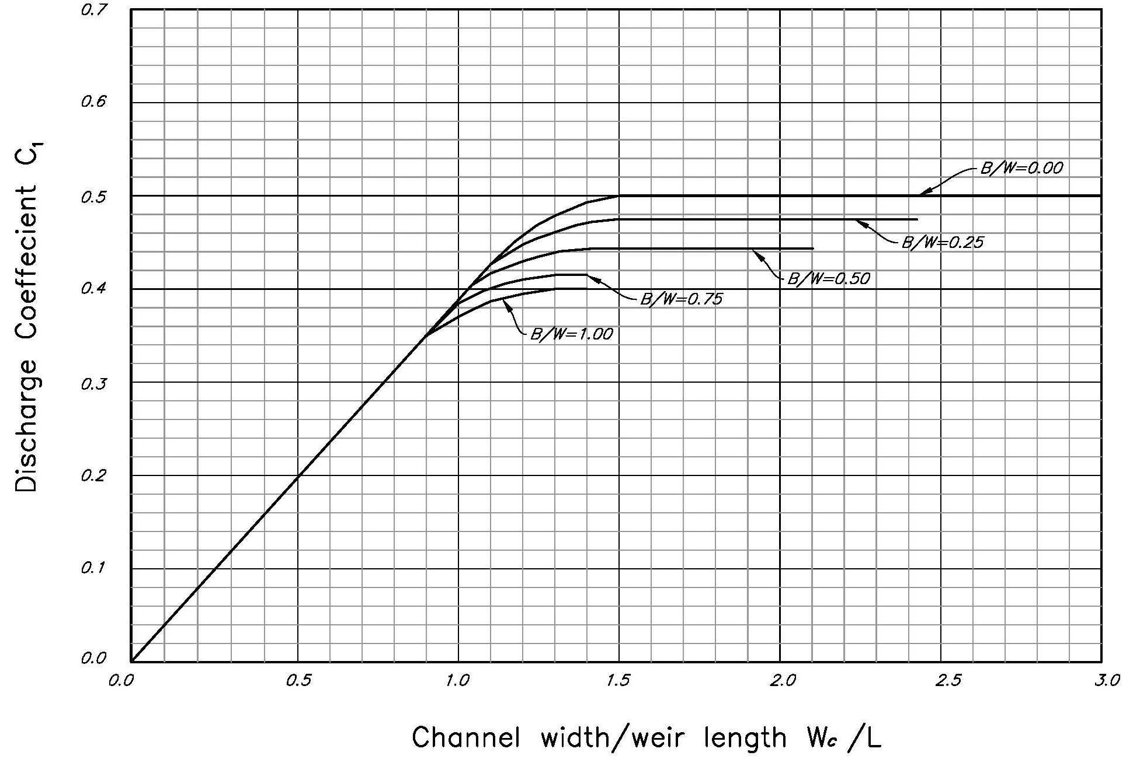

 |  |  |  |  |  |  |  |  | Figure 5 -- Recommended values of C1 vs. Wc/L and B/W
 |  |  |  |  |  |  |  |  | From Hydraulics of Semicircular-Inlet Drop Structures
 |  |  |  |  |  |  |  |  | by S. M. Becker, G. R. Foster
 |  |  |  |  |  |  |  |  | Transactions of the ASAE, July/Auguest 1993, Vol. 36, No. 4

 | C1 Values from Figure 5: |  |  |  |  |  |  |  |  |  |  |  |  |  |  | Semicircular_Drop_Structure.xlsx V1.03
 | Wc/L
B/W | 0 | 0.1 | 0.2 | 0.3 | 0.4 | 0.5 | 0.6 | 0.7 | 0.8 | 0.9 | 1 | 1.1 | 1.2 | 1.3 | 1.4 | 1.5
0 | 0.000 | 0.039 | 0.078 | 0.117 | 0.156 | 0.194 | 0.233 | 0.272 | 0.311 | 0.350 | 0.389 | 0.428 | 0.458 | 0.479 | 0.492 | 0.500
0.25 | 0.000 | 0.039 | 0.078 | 0.117 | 0.156 | 0.194 | 0.233 | 0.272 | 0.311 | 0.350 | 0.389 | 0.428 | 0.448 | 0.460 | 0.471 | 0.476
0.5 | 0.000 | 0.039 | 0.078 | 0.117 | 0.156 | 0.194 | 0.233 | 0.272 | 0.311 | 0.350 | 0.389 | 0.418 | 0.429 | 0.439 | 0.443 | 0.443
0.75 | 0.000 | 0.039 | 0.078 | 0.117 | 0.156 | 0.194 | 0.233 | 0.272 | 0.311 | 0.350 | 0.385 | 0.400 | 0.410 | 0.416 | 0.416 | 0.416
1 | 0.000 | 0.039 | 0.078 | 0.117 | 0.156 | 0.194 | 0.233 | 0.272 | 0.311 | 0.350 | 0.370 | 0.388 | 0.394 | 0.400 | 0.400 | 0.400

 |  |  |  |  |  | Points defining straight line portion of Fig.5: |  |  | C1 for | Columns for |  | Rows for
 |  |  |  |  | Wc/L | C1 |  |  | Wc/L= | Interpolation |  | Interpolation
 |  |  |  |  | 0 | 0 |  | B/W | 1.709 | 1.7 | 1.80001 | B/W | C1
 |  |  |  |  | 0.9 | 0.35 |  | 0.00 | 0.500 | 0.500 | 0.500 | 0 | 0.5
 |  |  |  |  |  |  |  | 0.25 | 0.476 | 0.476 | 0.476 | 0.25 | 0.476 |  | C1= | 0.481
 |  |  |  |  |  | Values from Design Tab: |  | 0.50 | 0.443 | 0.443 | 0.443
 |  |  |  |  | B/W | Wc/L |  | 0.75 | 0.416 | 0.416 | 0.416
 |  |  |  |  | 0.200 | 1.7092436975 |  | 1.00 | 0.400 | 0.400 | 0.400

Fig 7 tabulated
 |  |  |  |  |  |  |  |  |  |  |  |  |  |  | Semicircular_Drop_Structure.xlsx V1.03
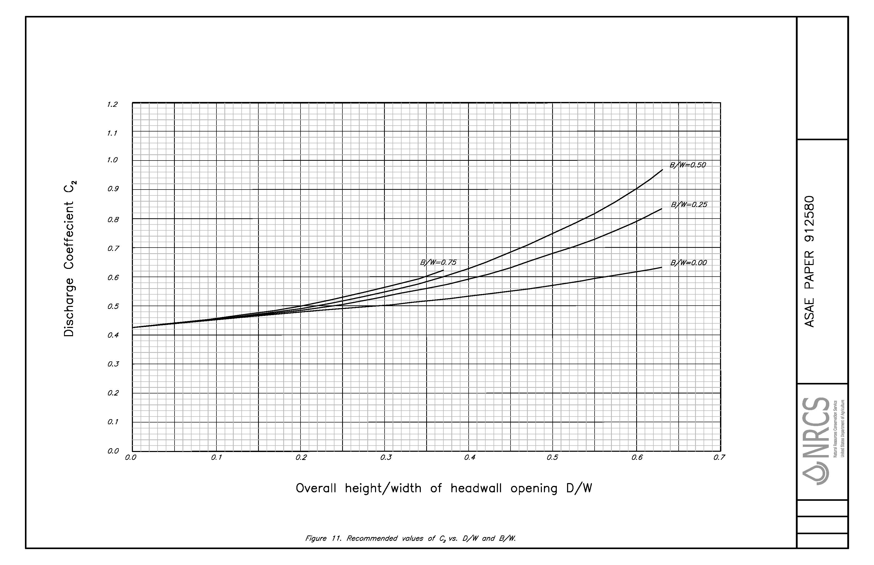

 |  |  |  |  |  |  |  | Figure 7 -- Recommended values of C2 vs. D/W and B/W

 |  |  |  |  |  |  |  | From Hydraulics of Semicircular-Inlet Drop Structures
 |  |  |  |  |  |  |  | by S. M. Becker, G. R. Foster
 |  |  |  |  |  |  |  | Transactions of the ASAE, July/Auguest 1993, Vol. 36, No. 4

 |  |  |  |  |  |  |  |  |  |  |  |  |  |  | Semicircular_Drop_Structure.xlsx V1.03
 | C2 Values from Figure 7:
 | D/W
B/W | 0.00 | 0.05 | 0.10 | 0.15 | 0.20 | 0.25 | 0.30 | 0.35 | 0.40 | 0.45 | 0.50 | 0.55 | 0.60 | 0.63
0.00 | 0.423 | 0.440 | 0.455 | 0.465 | 0.480 | 0.490 | 0.500 | 0.520 | 0.530 | 0.550 | 0.573 | 0.595 | 0.620 | 0.635
0.25 | 0.423 | 0.440 | 0.456 | 0.470 | 0.486 | 0.503 | 0.530 | 0.560 | 0.590 | 0.630 | 0.680 | 0.730 | 0.788 | 0.830
0.50 | 0.423 | 0.440 | 0.457 | 0.475 | 0.493 | 0.519 | 0.548 | 0.582 | 0.625 | 0.683 | 0.750 | 0.820 | 0.902 | 0.965
0.75 | 0.423 | 0.440 | 0.458 | 0.479 | 0.500 | 0.530 | 0.560 | 0.600

 |  |  |  |  |  | C2 for | Columns for |  | Rows for
 |  |  |  |  |  | D/W= | Interpolation |  | Interpolation
 |  |  |  |  | B/W | 0.500 | 0.50 | 0.55 | B/W | C2
 |  |  | Values from Design Tab: |  | 0.00 | 0.573 | 0.573 | 0.595 | 0 | 0.573
 |  | B/W | D/W |  | 0.25 | 0.680 | 0.680 | 0.730 | 0.25 | 0.680 |  | C2 = | 0.659
 |  | 0.2 | 0.5 |  | 0.50 | 0.750 | 0.750 | 0.820
 |  |  |  |  | 0.75 | 0.600 | 0.600 | 0.600

