3-Illustrations
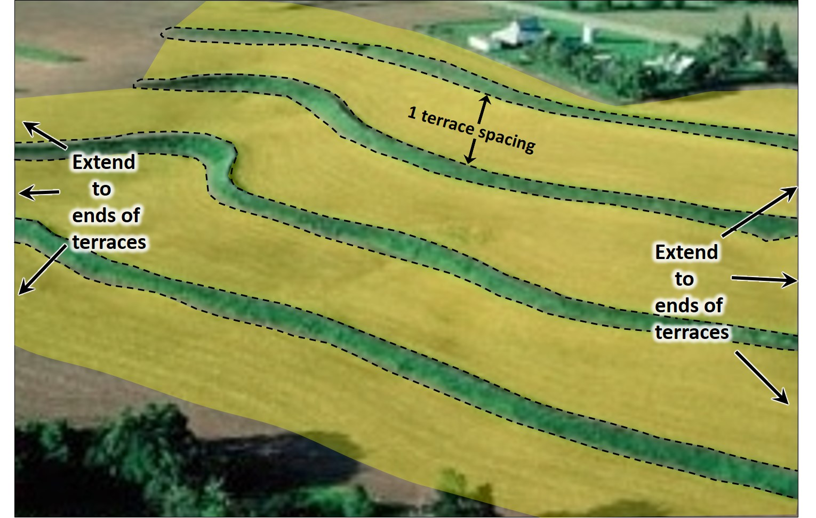
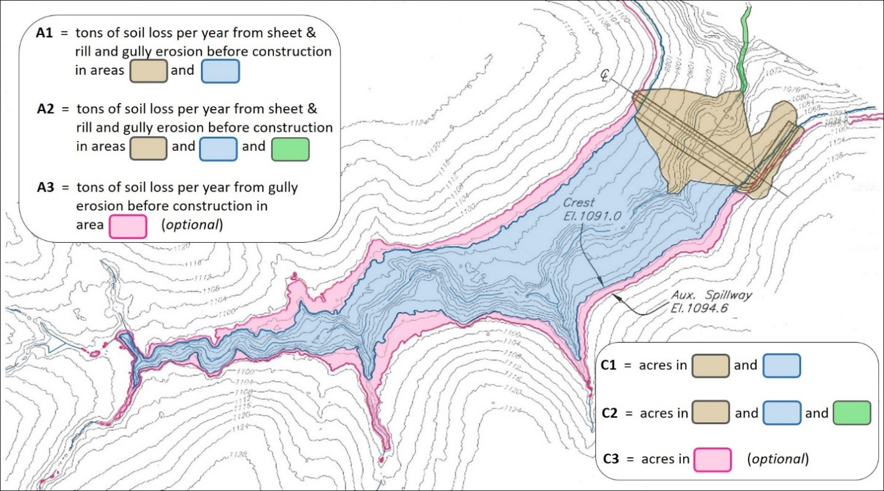

 |  |  |  | Figure 3. TERRACE. | "Acres benefited" equals area under footprint of terrace(s)
Figure 1. GRADE STABILIZATION STRUCTURE. "Acres benefited" equals areas in C1 for full-flow; and |  |  |  |  | plus one terrace spacing above and one spacing below terrace(s).
 |  | areas in C2 (or C2+C3) for detention structures.

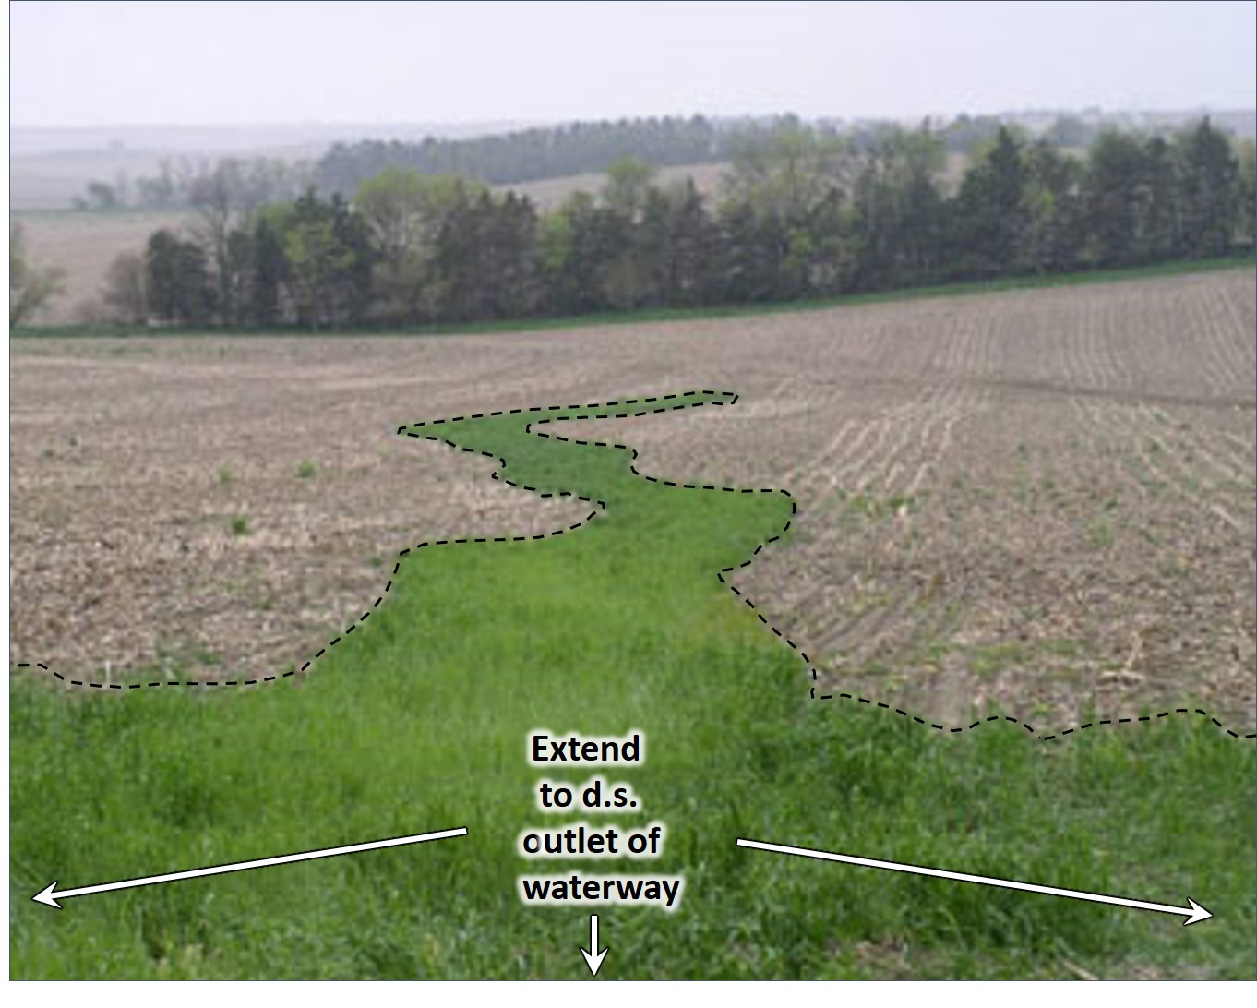

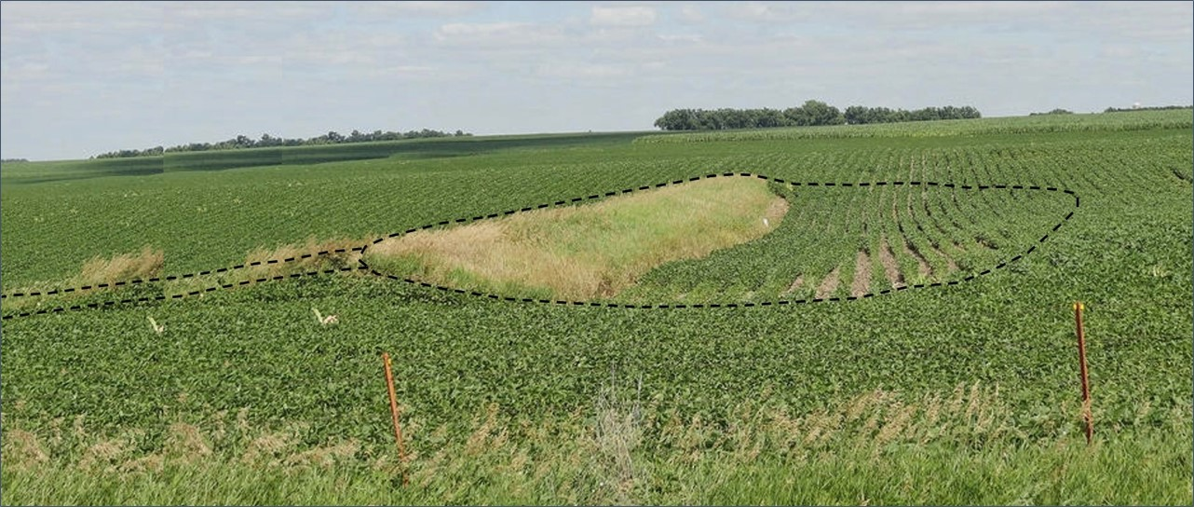

 |  |  | Figure 4. WATER & SEDIMENT CONTROL BASIN "Acres benefited" equals area under basin and embankment,
 |  |  |  | (WASCOB). |  | plus area (length x width) of gully downstream of structure
 |  |  |  |  |  | for the distance that will benefit from decreased flow.

Figure 2. GRASSED WATERWAY. "Acres benefited" equals area under footprint of waterway(s),
 | i.e., the area planted in perennial vegetation.

